List of Experts #1
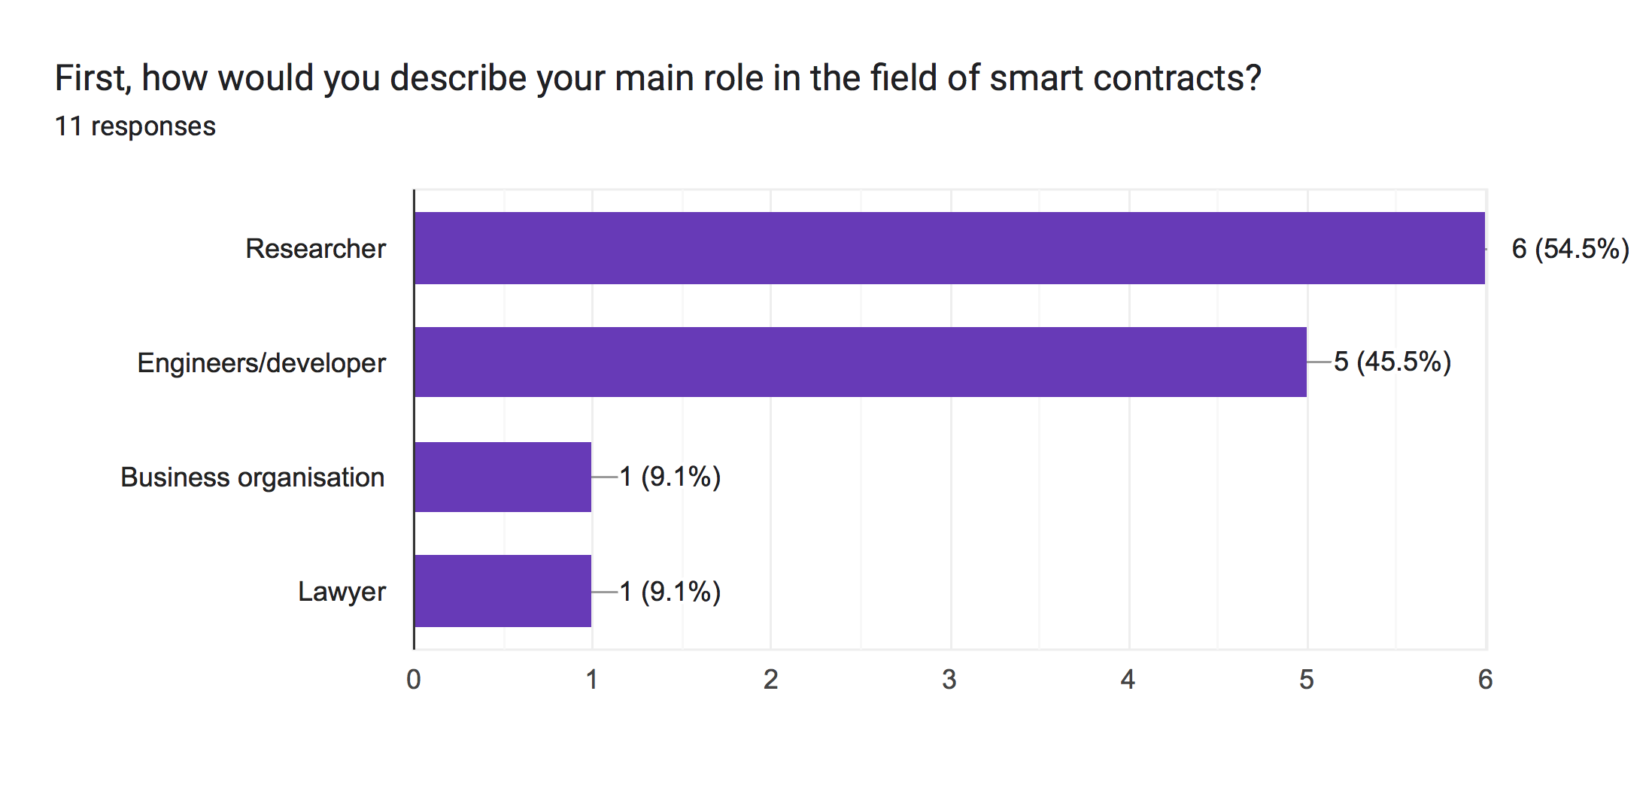
ID | Type of Stakeholder | Experiences
ID-1 | Researcher | A university assistant professor with four years of experience in blockchain smart contracts, specifically in oracles.
ID-2 | Lawyer | A lawyer with a master's degree in information technology law was previously a lecturer interested in blockchain smart contracts from a legal perspective.
ID-3 | Researcher | A university professor specialising in information systems and knowledge management, consultant at a research center with ten years' experience, and a researcher with interests in IoT and blockchain.
ID-4 | Engineers/developer | Software engineer with 8 years of experience in blockchain, crypto-currencies, and smart contracts. CEO and co-founder of a blockchain project.
ID-5 | Researcher | IT consultant and researcher with 25 years' experience in many IT fields, including setting strategies for IT directions, researching blockchains and new technologies.
ID-6 | Researcher | A university assistant professor with six years of experience in blockchain and Internet of Things.
ID-7 | Engineers/developer | Senior Blockchain Developer
ID-8 | Business organisation/ developer/reseracher | A university assistant professor, consulting and business analysis, with research interests in blockchain and IoT, specialising in automating regulatory and contractual processes, and enforcement.
ID-9 | Engineers/developer | A blockchain developer with extensive experience in dapps, DAOs, ERC20, NFT, and token projects and the tokenization of assets on Ethereum, Binance, Tron, and Polygon.
ID-10 | Engineers/developer | A blockchain developer with extensive experience working on over 30 blockchain and web3 projects, including NFTs, metaverses, and decentralised financial systems
ID-11 | Researcher | Fullstack eveloper with more than 4 years in blockchain and Ethereum

Experts Answers #1
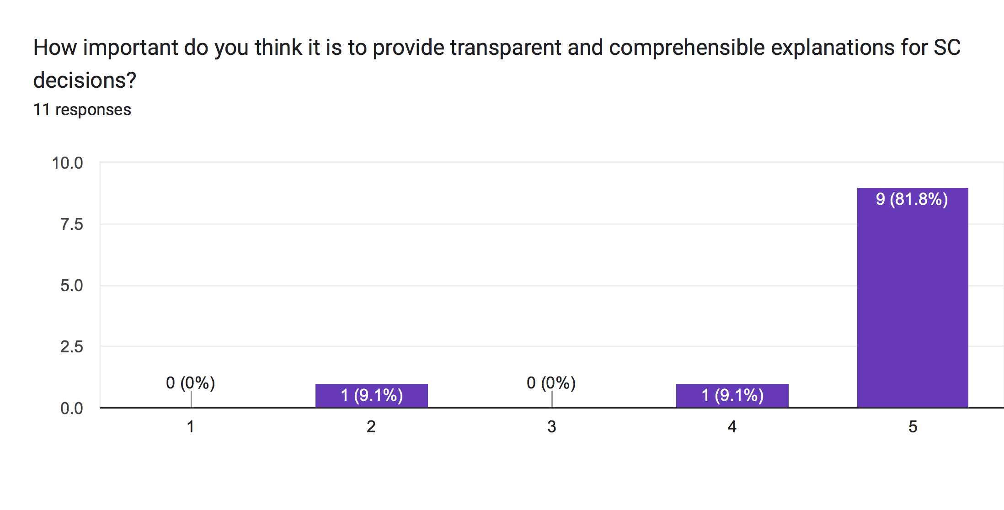
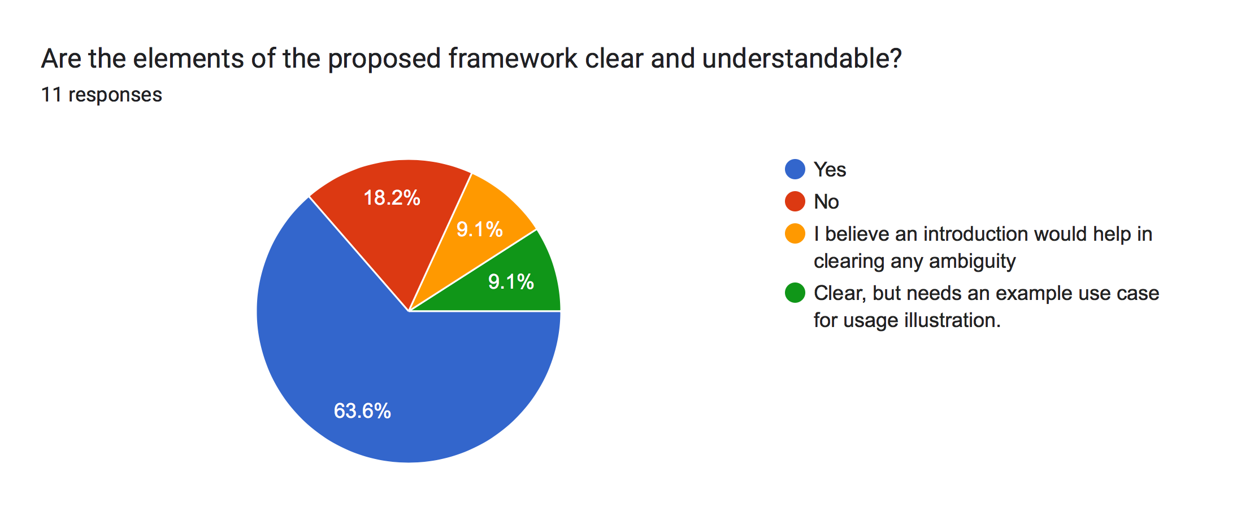
ID | Q1 | Q2 | Q3 | Q4 | Q5 | Q6
ID-1 | 5 | Yes | Yes | Yes | Yes | Yes
ID-2 | 5 | Yes | No | Yes | No | Yes
ID-3 | 5 | No | No | Yes | Yes | Yes
ID-4 | 5 | Yes | Yes | Yes | Yes | Yes
ID-5 | 5 | Yes | Yes | Yes | NO | Yes
 |  |  |  |  | Integrity could be also considered as part of how the decision is made.
ID-6 | 5 | NO | NO | NO | NO | Yes
 |  | I believe an introduction would help in clearing any ambiguity | It is premature to decide by just looking to the illustration | I am not in favour of human intervention | Can’t really judge at this stage
ID-7 | 4 | NO | Yes | Yes | Yes | Yes
ID-8 | 5 | Yes | Yes | Yes | NO | Yes
 |  | Clear, but needs an example use case for usage illustration. |  |  | It covers various important high-level factors. But it might also needs to consider security aspects, user-experience, nodes behaviour, public or private settings, the impact of the underlying infrastructure on the smart contract outcomes, upgradability, portaility, and so on. |  |  | 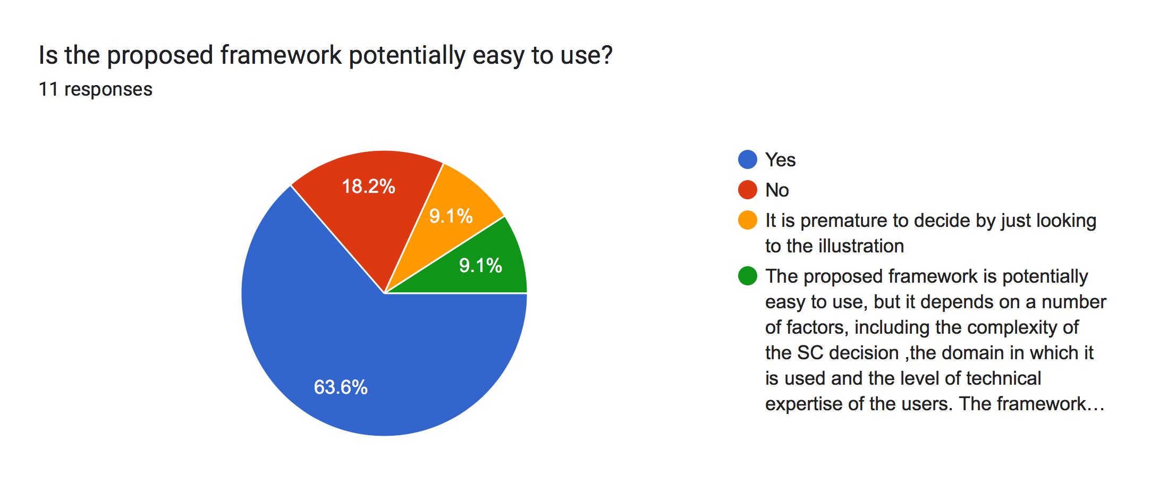 | 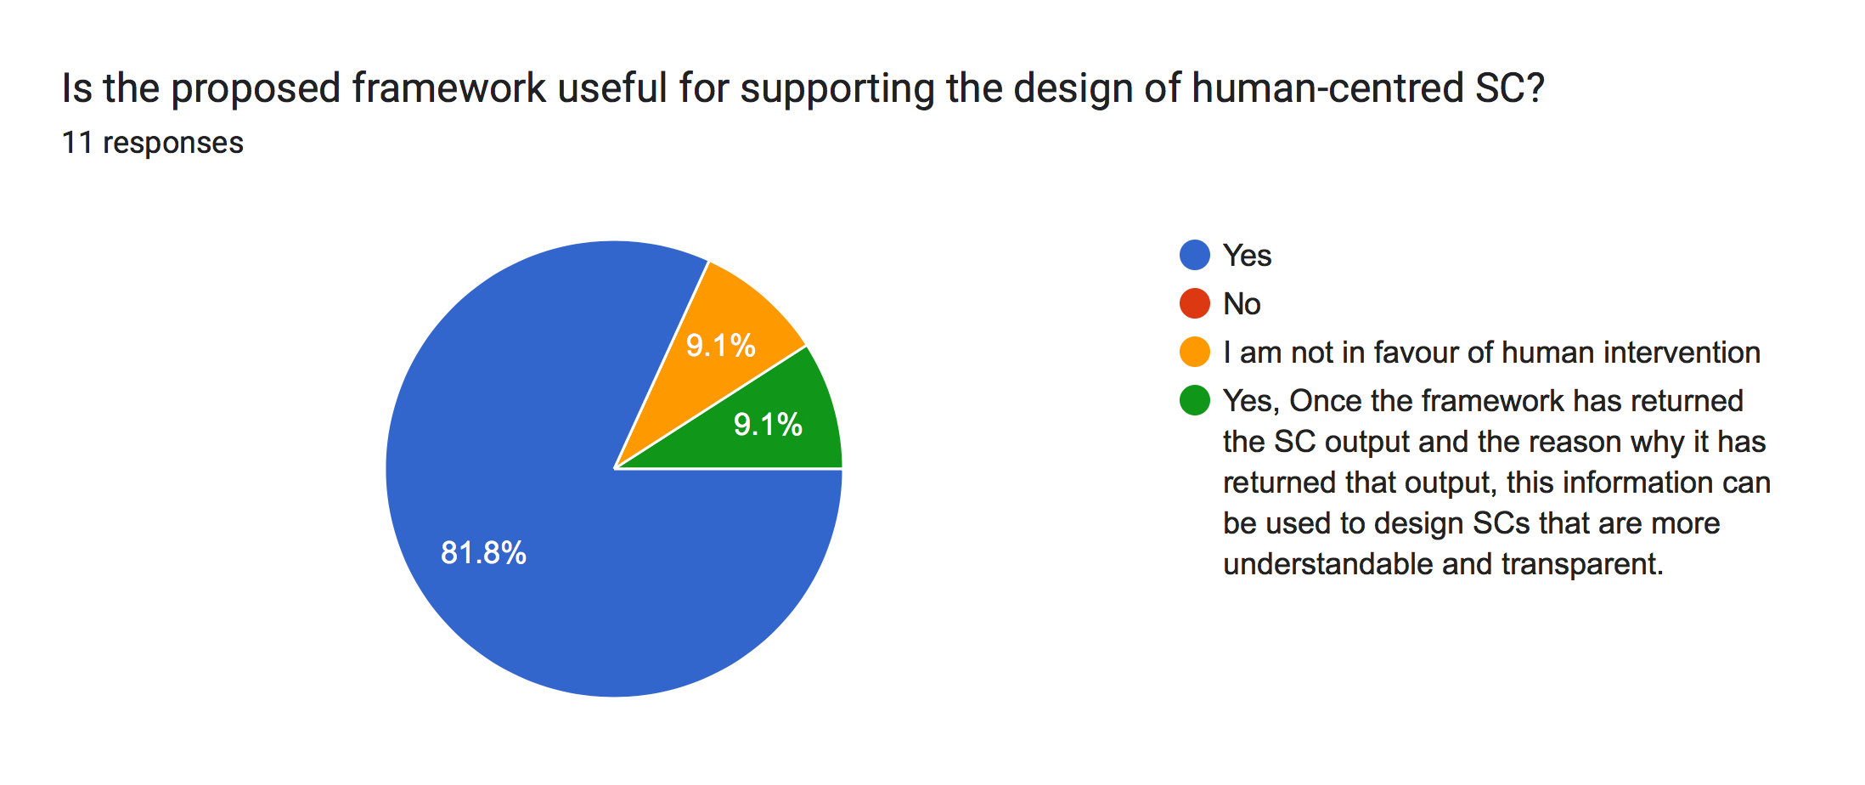
ID-9 | 5 | Yes | Yes | Yes | YES | YES
 |  |  | The proposed framework is potentially easy to use, but it depends on a number of factors, including the complexity of the SC decision ,the domain in which it is used and the level of technical expertise of the users. The framework is structured and provides a clear roadmap for determining the information requirements for SC decisions. This makes it easy to follow and use. | Once the framework has returned the SC output and the reason why it has returned that output, this information can be used to design SCs that are more understandable and transparent. |  |  | 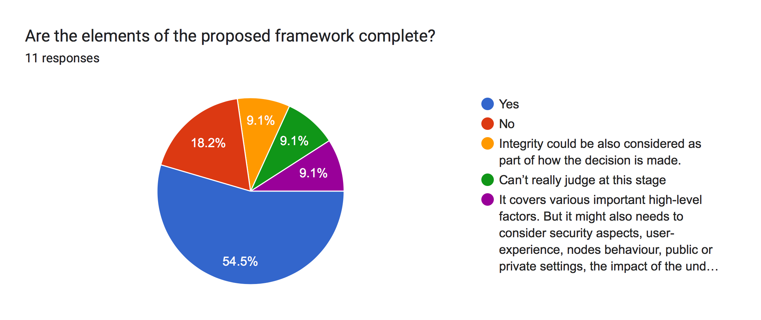 |  | 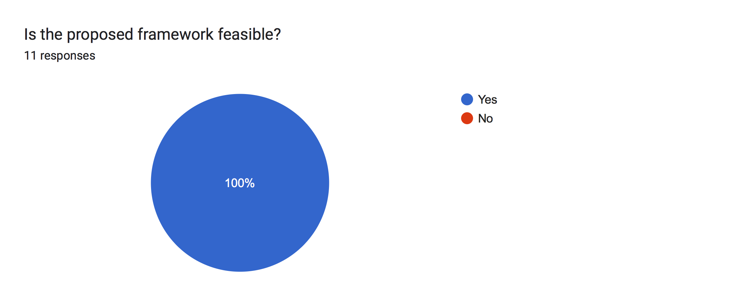
ID-10 | 5 | Yes | Yes | Yes | Yes | Yes
ID-11 | 2 | Yes | Yes | Yes | No | Yes

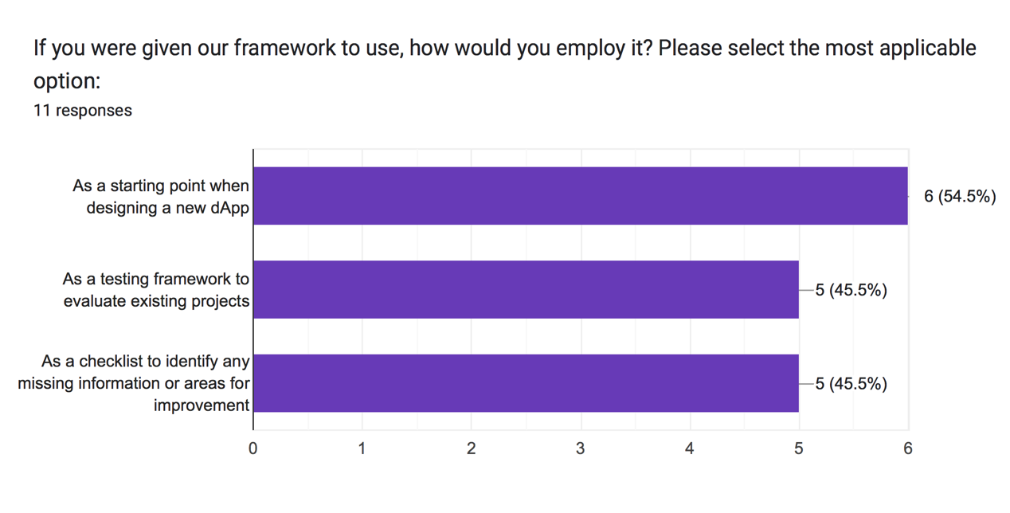
Q7

ID | Option 1 | Option 2 | Option 3
ID-1 | X |  | X
ID-2 |  | X
ID-3 | X | X
ID-4 | X
ID-5 | X
ID-6 |  |  | X
ID-7 |  | X | X
ID-8 | X | X | X
ID-9 | X
ID-10 |  |  | X
ID-11 |  | X

Q8

ID-1 | Users need to ba aware of the security controls put in place by the smart contract. This involves undrestanding the code for possible vulnerabilities. Users need to recogise the risks involved with using the smart contract by being aware of the security protocols. Users should be aware of any legal requirements, contractual terms, or potential risks associated with using the smart contract.
ID-2 | The most importaing thing we need to clarify to users is why we need to use smart contracts it , as well as we need to think of how courts deal with smart contractsI’m
ID-3 | components of the smart contract and what the relation with Blockchain
ID-4 | It is important for the end user to view how the smart contract work and sometimes they read the code in order to trust the smart contract, it is their money after all. One good example, Uniswap smart contract it has a complex structure and it is quite hard to understand even for developers. Uniswap provide a documentation that explains how the smart contract works in details and they provided some visualizations to help understand it better. https://docs.uniswap.org/concepts/uniswap-protocol https://www.desmos.com/calculator/j8eppi5vvu and more in their docs
ID-5 | Probably as part of how the decision is made, it will be great to consider the integrity of the smart contracts, especially if you look at upgradable smart contracts.
ID-6 | Roles and responsibilities
ID-7 | I wish there was some input on the unexpected event.
ID-8 | It might also needs to consider security aspects, user-experience, nodes behaviour, public or private settings, the most importantly; the impact of the underlying infrastructure on the smart contract outcomes, upgradability, portaility, and so on.
ID-9 | The input of the smart contract and its purpose or goal are indeed important factors that can help users understand the decisions made by the smart contract. These factors significantly influence the overall processing and functioning of the smart contract
ID-10 | Mostrly ownability and permissions on the SC. For example who has permision to burn or mint tokens in a bridge execution.
ID-11 | Design of human-centered SC

Q9

ID-1 | Smart contract users would find it helpful to know the location where the data will be stored and to have a clear understanding of all the legal implications and considerations associated with the smart contract. In genral, the framework is clear and understandable. It may be beneficial to give a catchy name to your framework
ID-2 | Not provided
ID-3 | Good luck to you
ID-4 | for me personally, i could simulate any action with any smart contract using some developer toolings like https://tenderly.co in order to know how the smart contract behave. but i usually start with reading the smart contract code in https://etherscan.io if the code isn't then the framework you provide could work for most people. Great job!
ID-5 | Not provided
ID-6 | I believe illustrating/adding the point (at what level of the development lifecycle) where SC will take place in the BC application
ID-7 | I think the input information is too specific. In my opinion, there is some input on the unexpected event like accident in our society.
ID-8 | Not provided
ID-9 | I believe that the usage and integration of the framework should be simple, clear, and easy to understand for users of all levels of expertise. This makes the framework more accessible to a wider range of users.
ID-10 | Your framework would be applicable for transparency when minting and burning ERC20 tokens. Investidores always fear minting functions due inflationary catastrophe.
ID-11 | You are doing good

Scenarios#
First Scenario

The claim approval process is entirely automated, without any human intervention. Once the delay meets the minimum duration requirement, the claim is automatically processed and the claimant receives the designated claim amount without the need for manual approval.

Code before applying framework | FileName: | FlightInsuS1.sol
Code after implementing some explanations | FileName: | FlightInsuS1After.sol

Second Scenario

In this case, the claim cannot proceed for processing until it is approved by the insurance company. The claimant initiates the claim, and upon meeting the minimum delay requirement, the claim is forwarded to the insurance company for their review and approval.

Code before applying framework | FileName: | FlightInsuS2.sol
Code after implementing some explanations | FileName: | FlightInsuS2After.sol

Thrid Scenario

In the third scenario, the SC incorporates a decentralized decision-making process via voting for updating the delay time minimum requirement.

Code before applying framework | FileName: | FlightInsuS3.sol
Code after implementing some explanations | FileName: | FlightInsuS3After.sol

Code before applying framework |  |  | Code before applying framework

pragma solidity ^0.8.0;
contract FlightInsurance {
struct Claim {
uint claimId;
address claimant;
uint ticketPrice;
bool isApproved;
uint delayTime;
uint claimPercentage;
uint claimAmount;
}
mapping(uint => Claim) public claims;
address public insuranceCompany;
modifier onlyInsuranceCompany() {
require(msg.sender == insuranceCompany, "Only the insurance company can perform this action.");
_;
}
constructor() {
insuranceCompany = msg.sender;
}
function submitClaim(uint claimId, uint _ticketPrice, uint _delayTime) external {
require(_delayTime > 2 hours , "Claim is only valid for delays greater than 2 hours.");
Claim storage newClaim = claims[claimId];
newClaim.claimId = claimId;
newClaim.claimant = msg.sender;
newClaim.ticketPrice = _ticketPrice;
newClaim.delayTime = _delayTime;
newClaim.claimPercentage = 10; // Claim percentage set to 10%
newClaim.claimAmount = (_ticketPrice * newClaim.claimPercentage) / 100;
newClaim.isApproved = false; // Claim is initially not approved
}
function approveClaim(uint _claimId) external onlyInsuranceCompany {
Claim storage existingClaim = claims[_claimId];
require(!existingClaim.isApproved, "Claim has already been approved.");
existingClaim.isApproved = true;
// Send claim amount to claimant
// Implement the logic to transfer funds to the claimant's address
// For the sake of simplicity, this logic is not included in this example
}
function rejectClaim(uint _claimId) external onlyInsuranceCompany {
Claim storage existingClaim = claims[_claimId];
require(!existingClaim.isApproved, "Claim has already been approved.");
existingClaim.isApproved = false;
}
// for testing on Remix
receive() external payable {} // Receive Ether transfers
fallback() external payable {} // Fallback function to receive Ether transfers
}
pragma solidity ^0.8.0;
contract FlightInsurance {
address public insuranceCompany;
// Struct to represent a claim
struct Claim {
uint claimId;
address claimant;
uint ticketPrice;
uint delayTime;
uint claimAmount;
bool isApproved;
}
// Mapping to store claims
mapping(uint => Claim) public claims;
// Event to notify when a claim is submitted
event ClaimSubmitted(uint claimId, address claimant, uint ticketPrice, uint delayTime);
// Event to notify when a claim is approved
event ClaimApproved(uint claimId);
modifier onlyInsuranceCompany() {
require(insuranceCompany == msg.sender, "Only the insurance company can perform this action.");
_;
}
// Function to set the insurance company address
function setInsuranceCompany(address _companyAddress) external {
insuranceCompany = _companyAddress;
}
// Function to submit a claim
function submitClaim(uint _claimId, uint _ticketPrice, uint _delayTime) external returns (string memory) {
// Check if the delay time meets the minimum requirement of 120 minutes
if (_delayTime < 120) {
return "Claim is rejected. Minimum delay time not met.";
}
// Create a new claim instance
Claim storage newClaim = claims[_claimId];
// Assign claim details
newClaim.claimId = _claimId;
newClaim.claimant = msg.sender;
newClaim.ticketPrice = _ticketPrice;
newClaim.delayTime = _delayTime;
newClaim.claimAmount = (_ticketPrice * 10) / 100; // Calculate claim amount (10% of ticket price)
newClaim.isApproved = false; // Claim is not yet approved
// Emit the claim submitted event
emit ClaimSubmitted(_claimId, msg.sender, _ticketPrice, _delayTime);
return "Claim submitted successfully. Awaiting insurance company approval.";
}
// Function for the insurance company to approve a claim
function approveClaim(uint _claimId) external onlyInsuranceCompany returns (string memory) {
// Get the claim from the mapping
Claim storage existingClaim = claims[_claimId];
// Ensure the claim is not already approved
if (existingClaim.isApproved) {
return "Claim is already approved.";
}
// Approve the claim
existingClaim.isApproved = true;
// Emit the claim approved event
emit ClaimApproved(_claimId);
return "Claim approved successfully. Payment will be released to the claimant.";
}
receive() external payable {} // Receive Ether transfers
fallback() external payable {} // Fallback function to receive Ether transfers
}

